Gorros
Marca | Gorro | Modelo | Referencia | Cantidad | Precio | costo venta
Toons | Leon | Tiras |  | 5 | 2 | 6

Toons | Ardilla | Tiras |  | 5 | 2 | 6

Toons | Veterinario | Tiras |  | 3 | 2 | 6

Toons | Mario | Tiras |  | 1 | 2 | 6

Toons | Leopardo Morado | Tiras |  | 1 | 2 | 6

Toons | Leopardo Naranja | Tiras |  | 1 | 2 | 6

Toons | Bioanalisis | Elastica |  | 2 | 2 | 6

Toons | Frozen | Elastica |  | 4 | 2 | 6

Toons | Toy Story | Elastica |  | 1 | 2 | 6

Toons | Sirenita | Elastica |  | 2 | 2 | 6

Toons | Power Ranger | Elastica |  | 1 | 2 | 6

Toons | Loro | Moño |  | 1 | 2 | 6

Toons | Power Ranger | Moño |  | 1 | 2 | 6

Toons | Odontologia 2D | Moño |  | 2 | 2 | 6

Med | Areas del cerebro | Tiras |  | 1 | 5.5 | 10

Shismed | Looney Tones | Tiras |  | 1 | 5.5 | 10

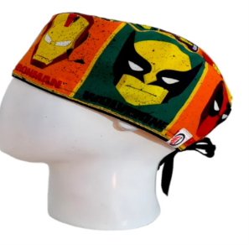

Gorro Med | Marvel | Tiras |  | 1 | 5.5 | 10

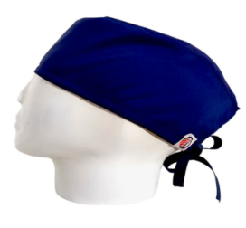

Gorro Med | Unicolor azul oscuro | Tiras |  | 1 | 5.5 | 10

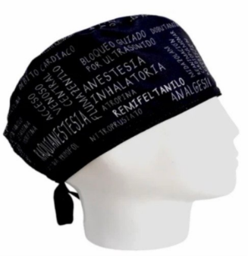
Gorro Med | Anestesia Negro | Tiras |  | 1 | 5.5 | 10

Gorro Med | Corazones Mecanicos | Tiras |  | 1 | 5.5 | 10

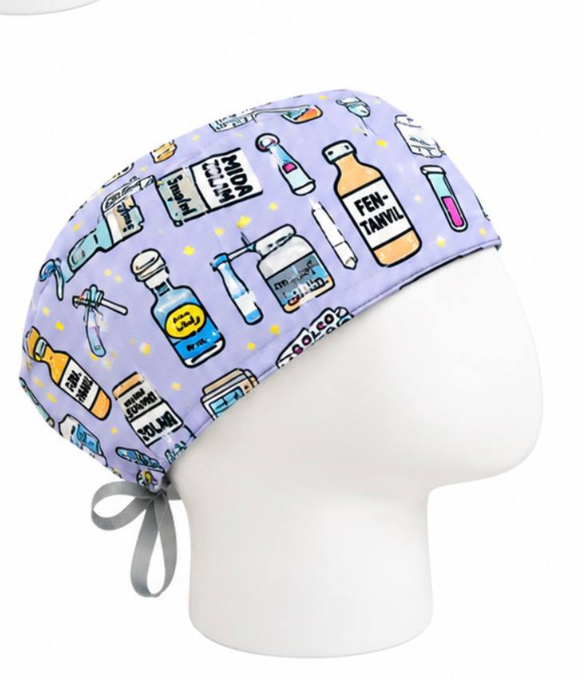

Gorro med | Farmacos Anestesia | Tiras |  | 1 | 5.5 | 10

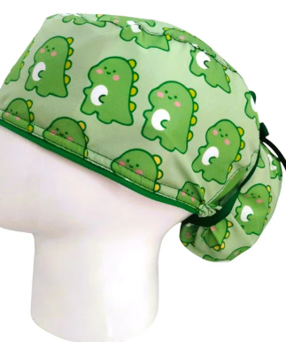

Med | Dinosaurio | Moño |  | 1 | 5.5 | 10

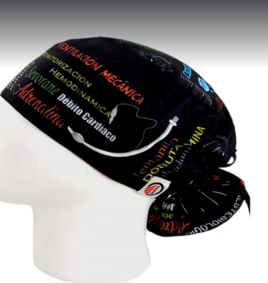

Med | Anestesiologia Negro | Moño |  | 2 | 5.5 | 10

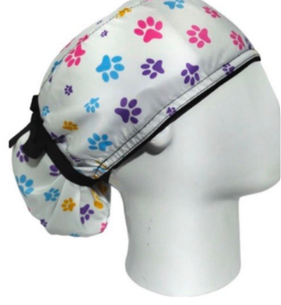

Med | Huellitas | Moño |  | 1 | 5.5 | 10

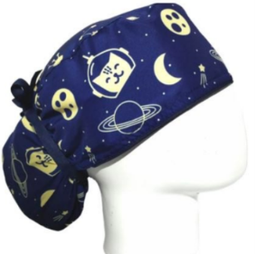

Med | Gato Especial | Moño |  | 1 | 5.5 | 10

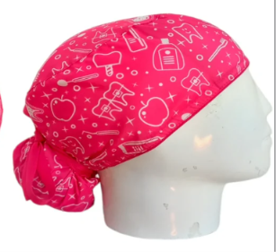

Gorro Med | Odontologia Fucsia | Moño |  | 1 | 5.5 | 10

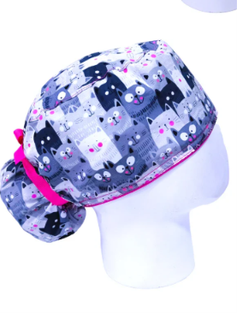

Gorro Med | Gatos Grises | Moño |  | 1 | 5.5 | 10

